Testing
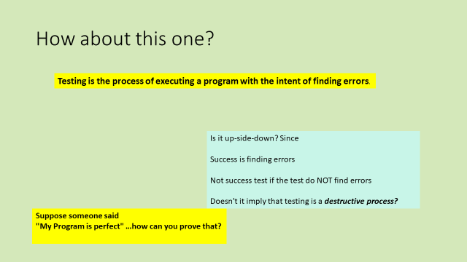

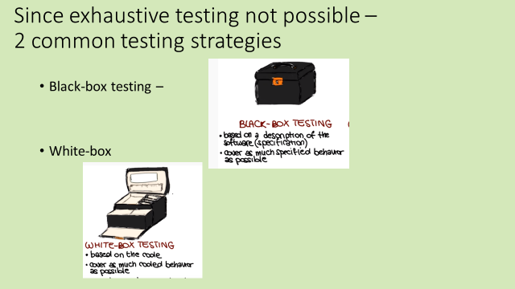

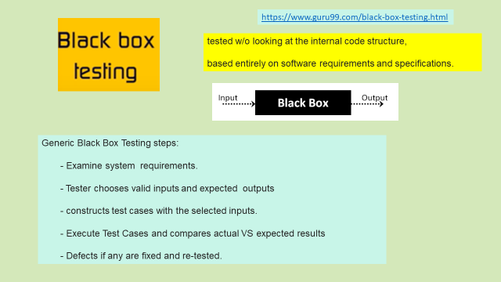

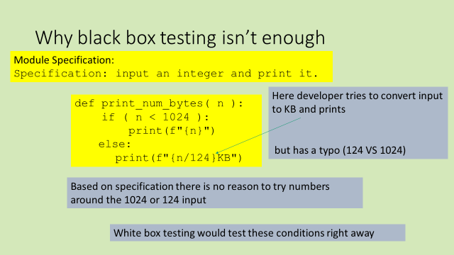

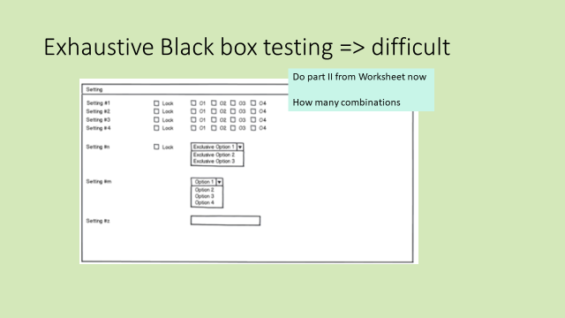

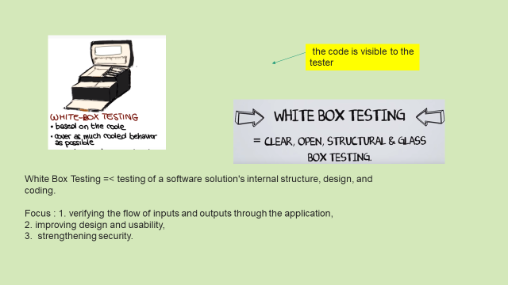
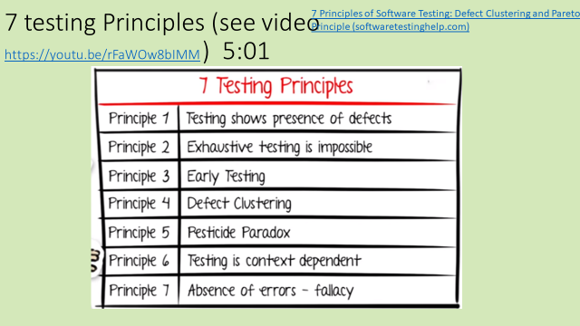

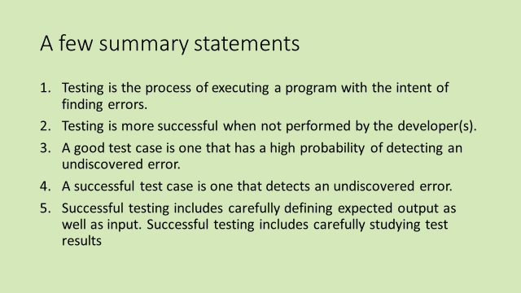

Statement Coverage
Statemnt Coverage : white box testing technique in which all the executable statements in the source code are executed at least once
a Statement coverage is the percentage of executable statements that have been exercised by a test suite. Therefore, to achieve 100% Statement coverage we have to make sure that every statement in the code is executed at least once. So we will need test case(s) executed in such a way that every statement of the code is executed at least once during the test executio

purpose cover all the possible paths, lines and statements in source code

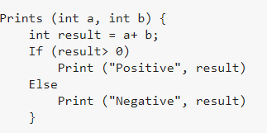

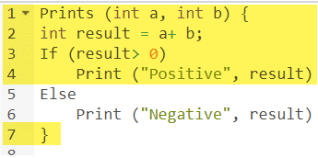

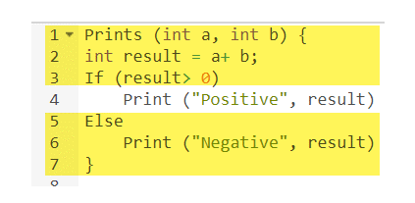

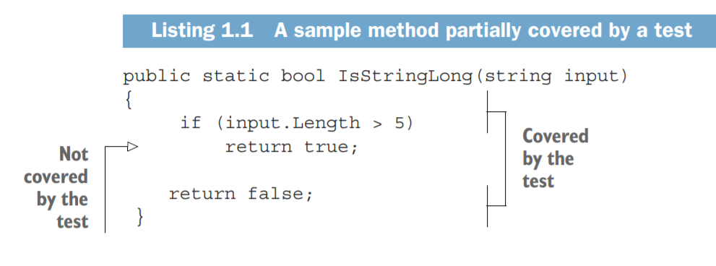

The total number of lines in the method is five (curly braces count, too).
LOC in test-> 4
LOC Not in test -> 5
This gives us 4/5 = 0.8 = 80% code coverage.

Note that if refactor ...

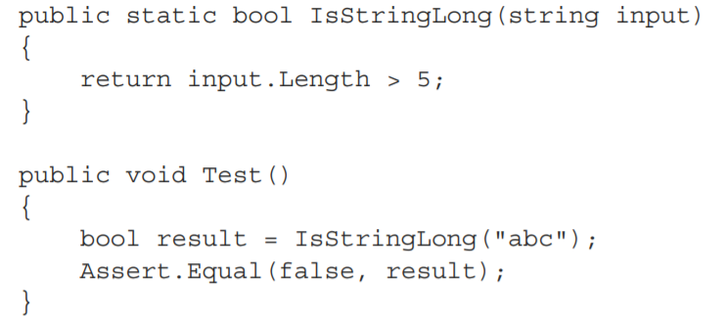

Now -> Coverage is 100%
test now exercises all three lines of code (the return statement plus two curly braces),
the code coverage increases to 100%

Decision Coverage
Decision Coverage -> White Box -> reports the True/False outcome of each boolean expression
https://www.istqb.guru/how-to-calculate-statement-branchdecision-and-path-coverage-for-istqb-exam-purpose/

goal -> The objective of decision coverage testing is to show all the decisions within a component have been executed at least once.

every decision is taken each way, true and false

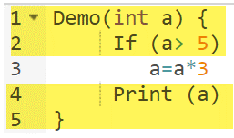
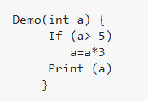
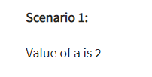

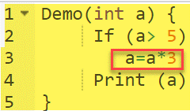

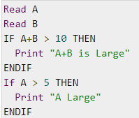
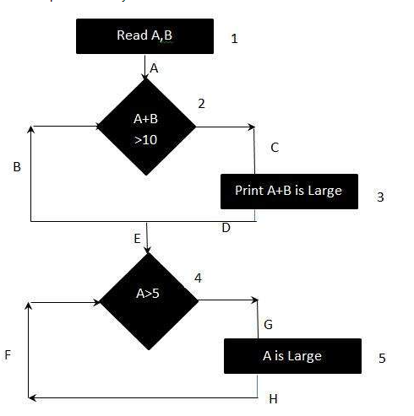

To calculate Branch Coverage, one has to find out the minimum number of paths which will ensure that all the edges are covered. In this case there is no single path which will ensure coverage of all the edges at once. The aim is to cover all possible true/false decisions.
(1) 1A-2C-3D-E-4G-5H (2) 1A-2B-E-4F Hence Decision or Branch Coverage is 2.

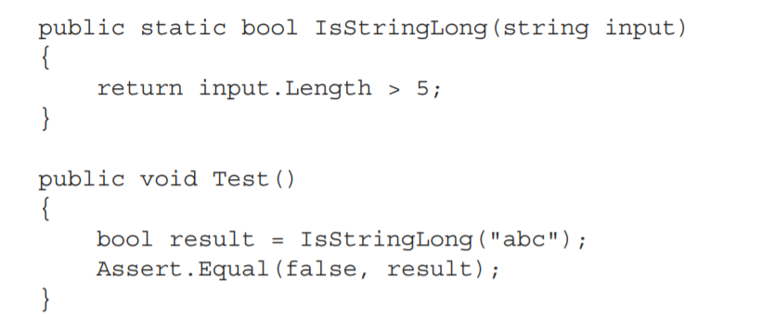

recognize:
-> two branches in the IsStringLong method:
1. when the length of the string argument > 5
2. when it’s not. T
he test covers only one of these branches, so the branch coverage metric is 1/2 = 0.5 = 50%

Problem W Coverage
2 issues with unit tests:
1. You can’t guarantee that the test verifies all the possible outcomes of the system under test.
2. No coverage metric can take into account code paths in external libraries.

1. You can’t guarantee that the test verifies all the possible outcomes of the system under test.

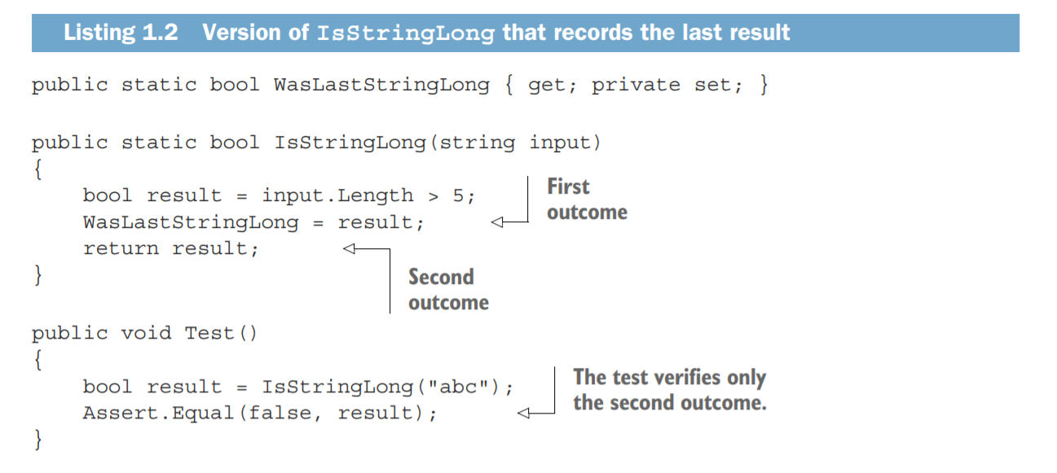

Notice that this method has a 'side' effect of setting
the WasLastStringLong Property

This test covers the 2nd outcome ... but not the 1st

Despite not covering the 'implicit' property setting:
the coverage metrics would still show the same results:
100% for the code coverage and 50% for the branch coverage.

These tests have not assertion ... always passes AND will show 100% coverage

2. No coverage metric can take into account code paths in external libraries.

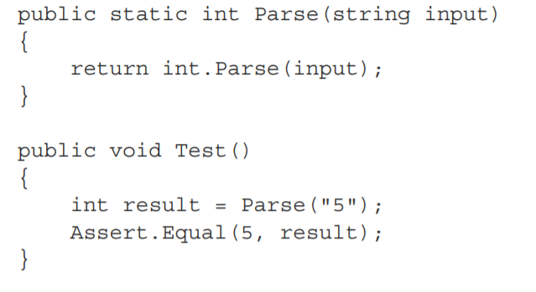

A coverage metric -> 100% BUT parse internally has lots of other paths

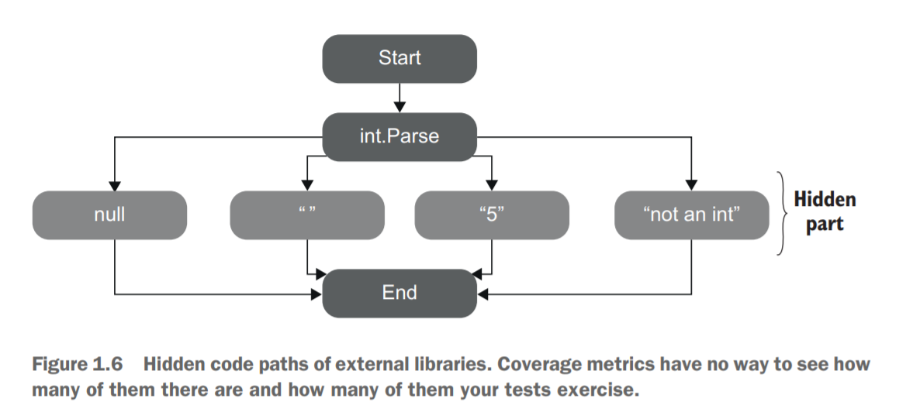

Coverage overage metrics are a good negative indicator, but a bad positive one.
Low coverage numbers—say, below 60%—are a certain sign of trouble.
(Lots of untested code )
But high numbers don’t mean anything.
=>code coverage ONLY 1st step on the way to a quality test suite.

Bottom line: Coverage metircs -> NOT tell whether if tests are exhaustive;
nor can they say if you have enough tests.

Cyclo Complexity
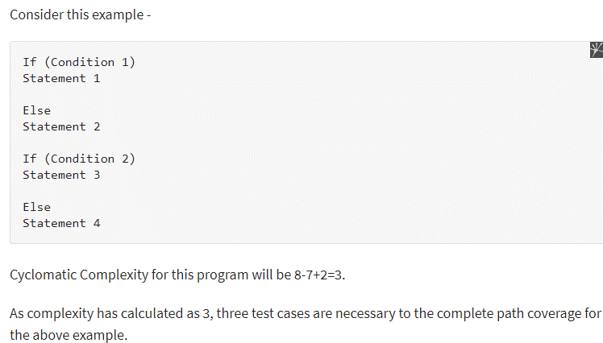
https://www.tutorialspoint.com/software_testing_dictionary/cyclomatic_complexity.htm
Cyclomatic Complexity - complexity measurement
CC -> Uses code Control Flow Graph
Lower CC -> lower risk, easier to understand

Cyclomatic complexity = E - N + 2*P
where, E = number of edges in the flow graph.
N = number of nodes in the flow graph.
P = number of nodes that have exit points

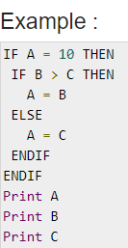
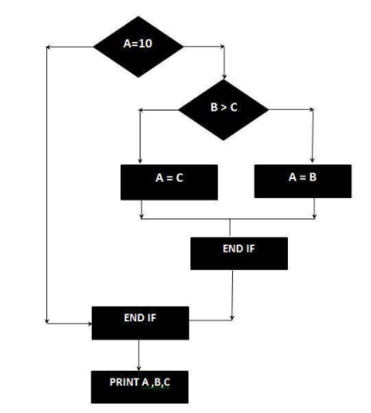
shows -
8 edges (lines),
7 nodes(shapes)
1 Node with exit point
hence the cyclomatic complexity is 8 - 7 + 2 = 3

Advantages of Cyclomatic Complexity:.
It can be used as a quality metric, gives relative complexity of various designs.
It is able to compute faster than the Halstead’s metrics.
It is used to measure the minimum effort and best areas of concentration for testing.
It is able to guide the testing process.
It is easy to apply.

Disadvantages of Cyclomatic Complexity:
It is the measure of the programs’s control complexity and not the data the data complexity.
In this, nested conditional structures are harder to understand than non-nested structures.
In case of simple comparisons and decision strucures, it may give a misleading figure.

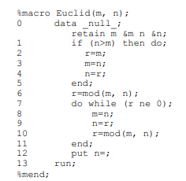

This graph has 14 nodes (n) and 15 edges (e). Cyclomatic complexity of a module is defined as e – n + 2.
Thus, the complexity of our sample data step is 3.

Equv and boundry
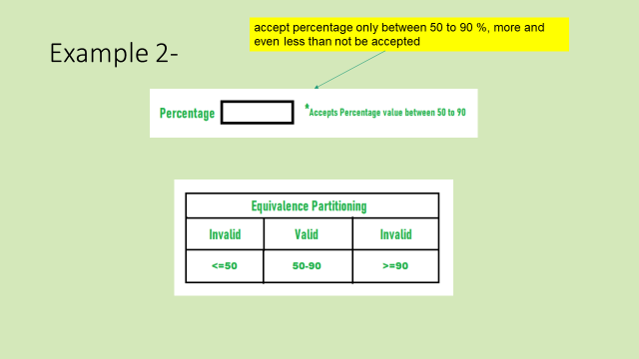
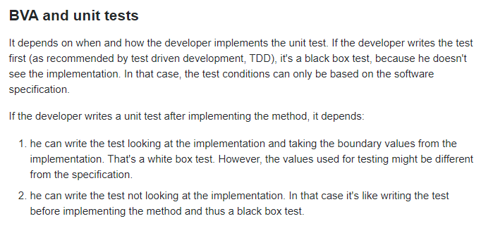
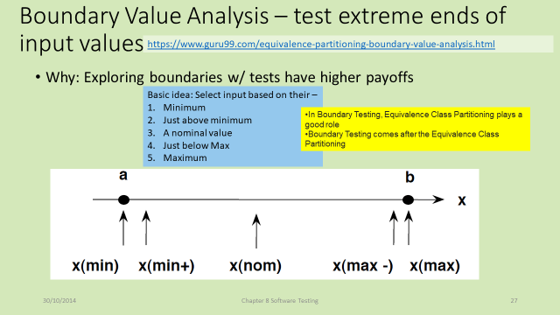
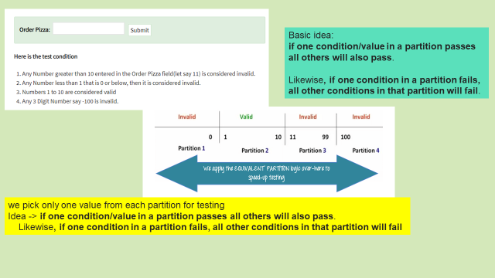
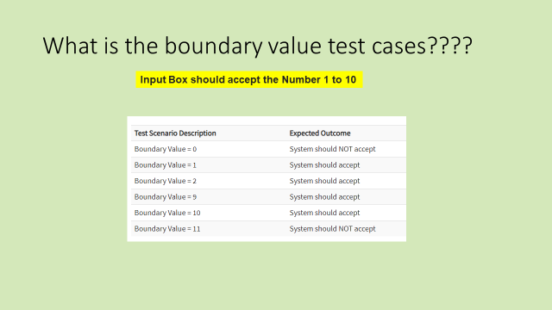
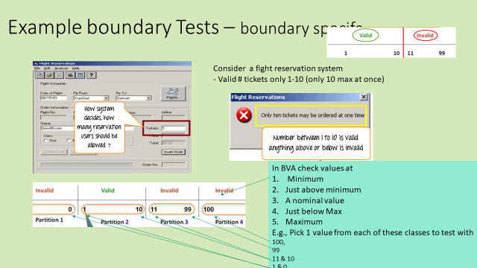
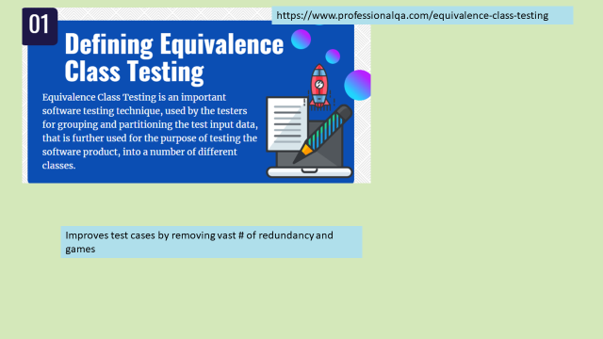

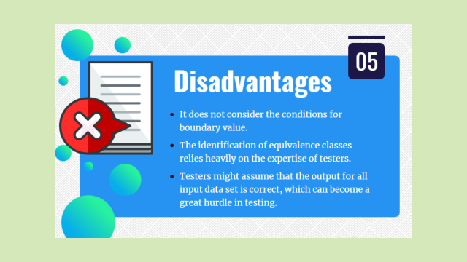

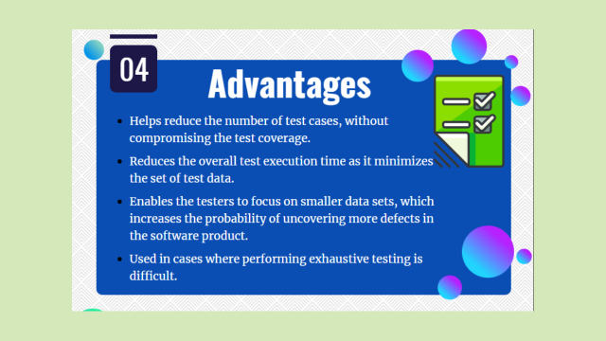

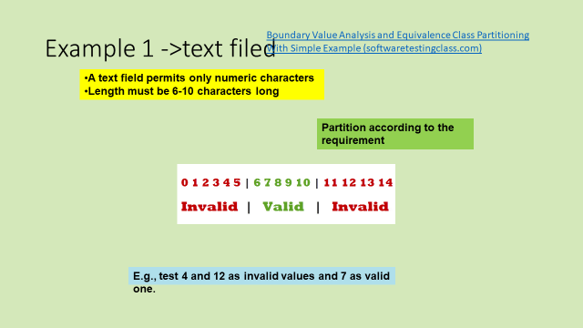
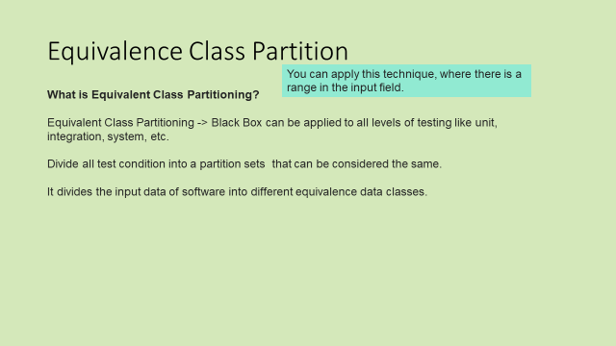

https://sqa.stackexchange.com/questions/15475/why-does-istqb-say-boundary-value-analysis-is-a-black-box-technique#:~:text=Boundary%20Value%20Analysis%20is%2C%20according,ISTQB%20%2D%20a%20black%20box%20technique.

Code Reviews
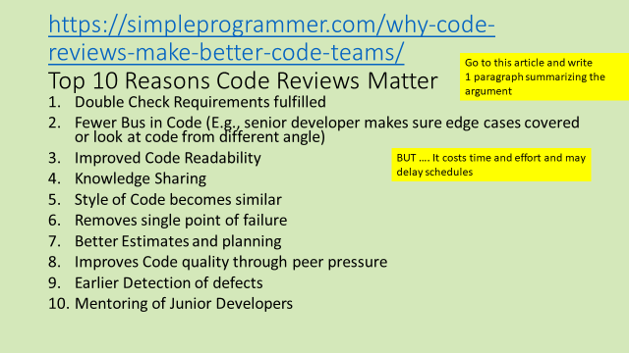

JS
<!DOCTYPE html> <html lang="en"> <head> <meta charset="UTF-8"> <title>Title</title> <link rel="stylesheet" type="text/css" href="css/coffeeStyles.css"> <script src="https://code.jquery.com/jquery-3.5.1.min.js" integrity="sha256-9/aliU8dGd2tb6OSsuzixeV4y/faTqgFtohetphbbj0=" crossorigin="anonymous"></script> <script src="js/coffee.js"> </script> </head> <body onLoad="showMenu()"> <header> Al's Coffee <img id="img" src="img/coffee.jpg"></header> <div class="grid-container"> Select Item: <select id='item' size='2'> <option value='0'> Regular Coffee </option> <option value="1"> Latte </option> <option value='2'> Mocha Latte </option> <option value='3'> Frapacino </option> <option value='4'> Expresso </option> </select> </div> <button type="button" id="getCost" onClick="calcCost()"> Get The Cost</button> <div id="results"> Cost <span id="costResults"> 0 </span> </div> </body> </html>
// Menu is not used ... just corresponds with price let menu = [ "Ham", "Spam", "Ram", "Grand Slam", "Sardines"] let price = [ 1.99, 2.00, 3.99, 4.99, 5.99]; function calcCost(){ // menu costs cannot be negative // menu items are unlimited in size let id = document.getElementById("item"); let sVal = $('#item option:selected').val(); //sVal = 6; // sVal -> 0, 1, 2, 3, 4 let cost = price[sVal]; let oStr = ""; if ( cost == undefined) { oStr = `Error: Illegal Input value index:${sVal}`; } else { oStr = "Total Cost $" + cost; } $("#costResults").html( oStr ); }

coffee2.html ... has dynamic menu ... moves whole thing to JSON
//let menu = [ "Ham", "Spam", "Ram", "Grand Slam", "Sardines"] let price = [ 1.99, 2.00, 3.99, 4.99, 5.99]; let menu = [ { "Name" : "Ham", "Price" : 1.99 }, { "Name" : "Spam", "Price" : 2.00 }, { "Name" : "Grand Slam", "Price" : 4.99 }, { "Name" : "Sardines", "Price" : 5.99 } ] function showMenu() { let oStr = "<select id='item' size='2'>"; menu.forEach( (item, i) => { console.log(item) console.log(i) oStr += `<option value='${i}'> ${item.Name} </option>`; }); oStr += "</select>"; $("#menu").html( oStr ); } function calcCost(){ // menu costs cannot be negative // menu items are unlimited in size let id = document.getElementById("item"); let sVal = $('#item option:selected').val(); alert("Click" +sVal); //sVal = 6; // sVal -> 0, 1, 2, 3, 4 let cObj = menu[sVal]; let oStr = ""; if ( cObj == undefined) { oStr = `Error: Nothing selected value index:${sVal}`; } else if ( cObj.Name == undefined) { oStr = `Error: Illegal Input value index:${sVal}`; } else { oStr = "Total Cost $" + cObj.Price; } $("#costResults").html( oStr ); }
<!DOCTYPE html> <html lang="en"> <head> <meta charset="UTF-8"> <title>Title</title> <link rel="stylesheet" type="text/css" href="css/coffeeStyles.css"> <script src="https://code.jquery.com/jquery-3.5.1.min.js" integrity="sha256-9/aliU8dGd2tb6OSsuzixeV4y/faTqgFtohetphbbj0=" crossorigin="anonymous"></script> <script src="js/coffee2.js"> </script> </head> <body onLoad="showMenu()"> <header> Al's Coffee <img id="img" src="img/coffee.jpg"></header> <div class="grid-container"> Select Item:<span id="menu"></span> </div> <button type="button" id="getCost" onClick="calcCost()"> Get The Cost</button> <div id="results"> Cost <span id="costResults"> 0 </span> </div> </body> </html

Is this testable?

agile testers
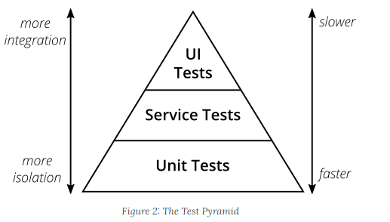
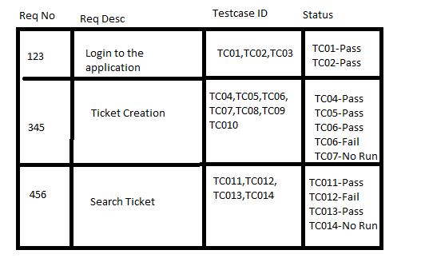
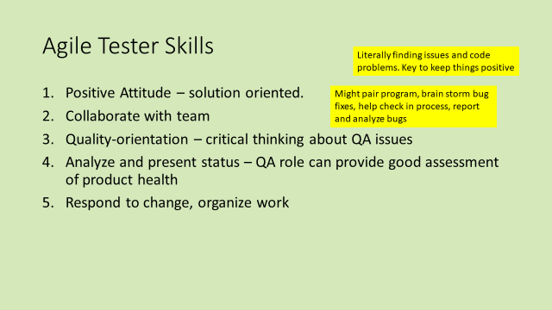
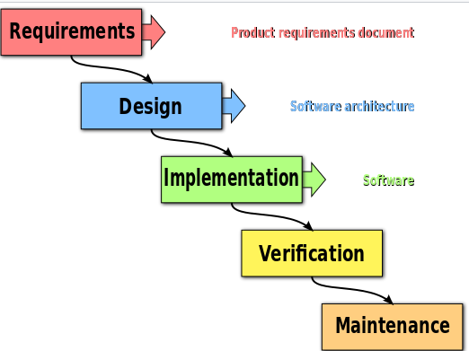
Testers are involved in requirements to build test plans

Test Case Design
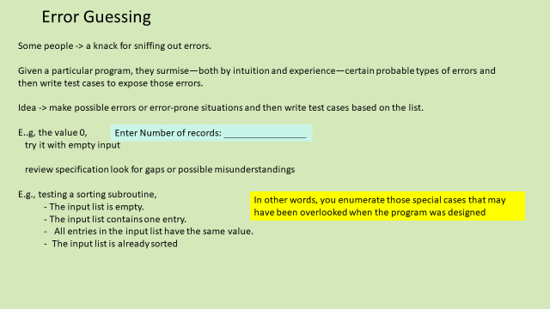
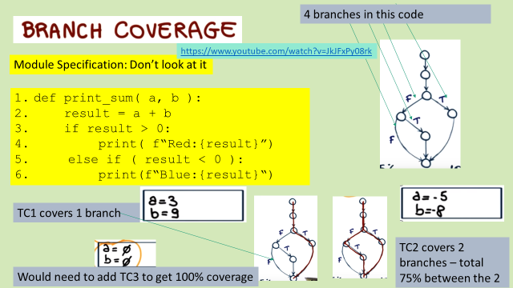

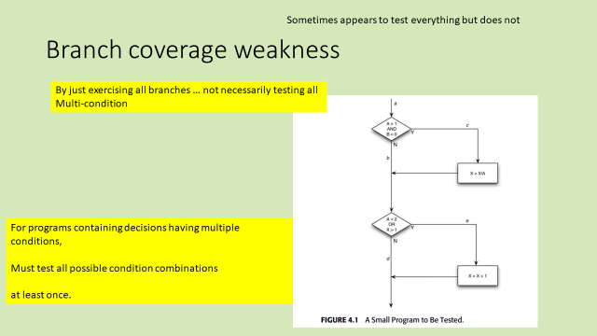

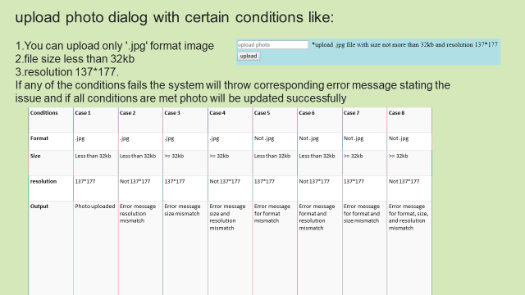

Why is Decision Table Testing is important?
Use when – need to test different combination.
In particular => when each set of input values the system behavior is different,

Question
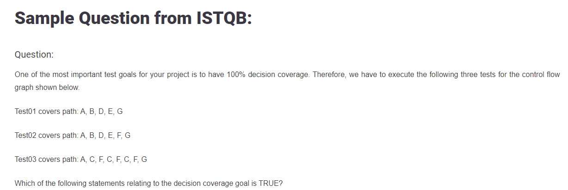

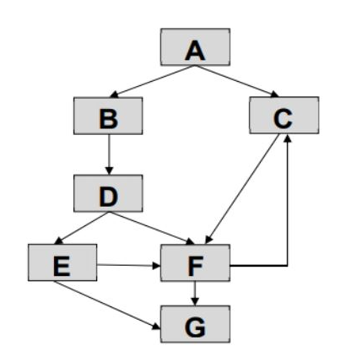

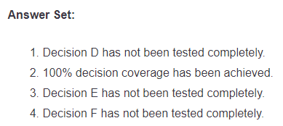

Agile














































